QR Codes
Pieces Data

Identificador da Peça (ID) | Color | X | Y | Name | Peça | QR Code
3437O | orange | 2 | 2 | orange2x2 | 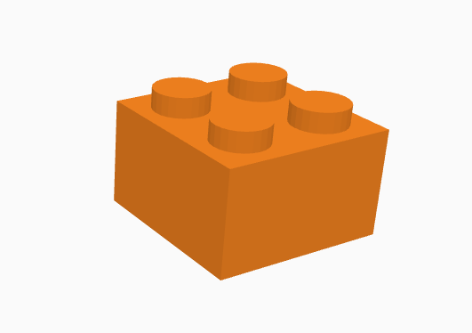 | 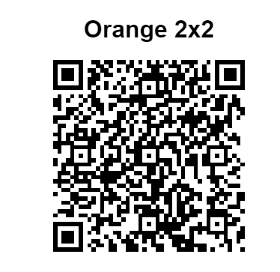
3437R | red | 2 | 2 | red2x2 | 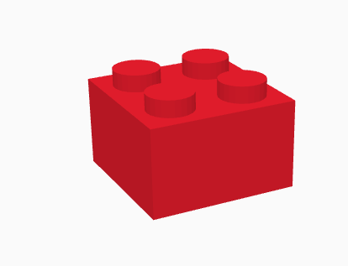 | 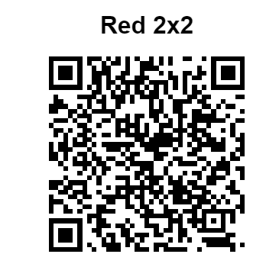
3437B | blue | 2 | 2 | blue2x2 | 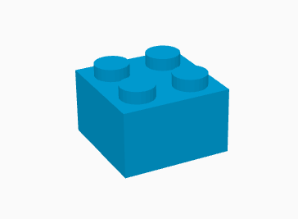 | 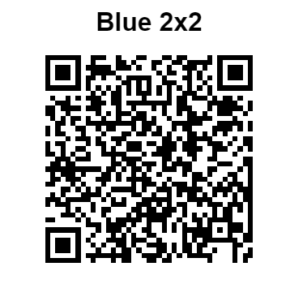
3011W | white | 4 | 2 | white4x2 | 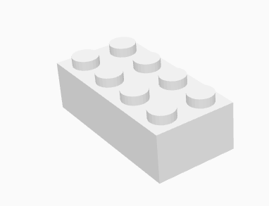 | 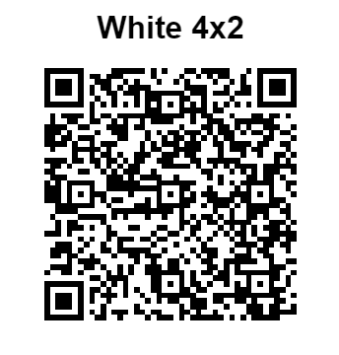
3011Y | yellow | 4 | 2 | yellow4x2 | 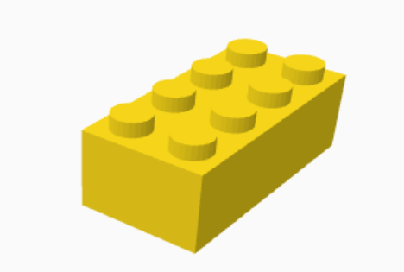 | 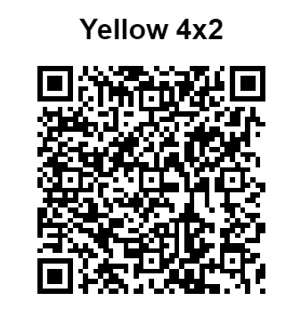
76371R | red | 1 | 2 | red1x2x2 | 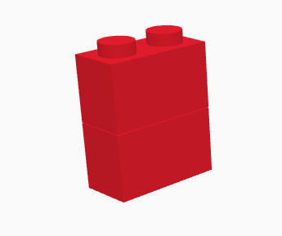 | 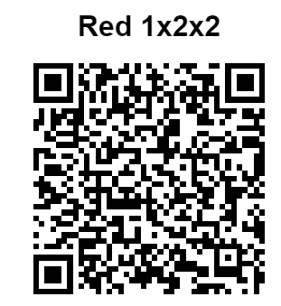
76371B | lightblue | 1 | 2 | lightblue1x2x2 | 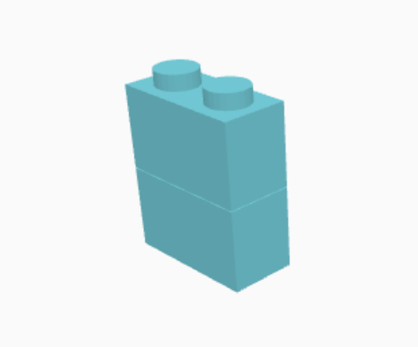 | 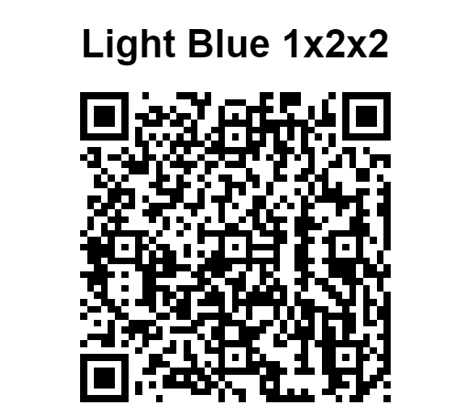
76371G | green | 1 | 2 | green1x2x2 | 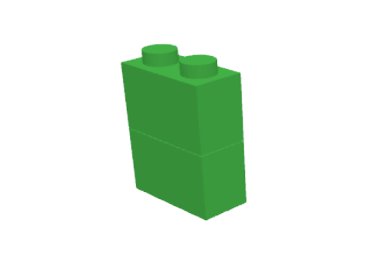 | 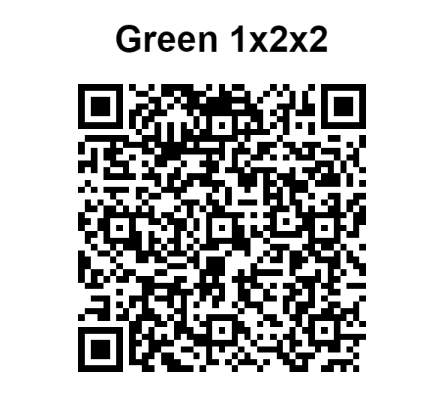
3011R | red | 4 | 2 |  red4x2 |  | 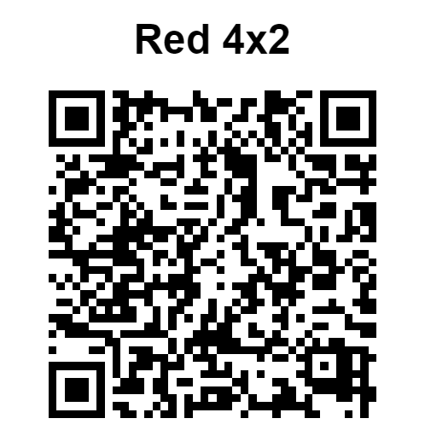
3011B | lightblue | 4 | 2 | 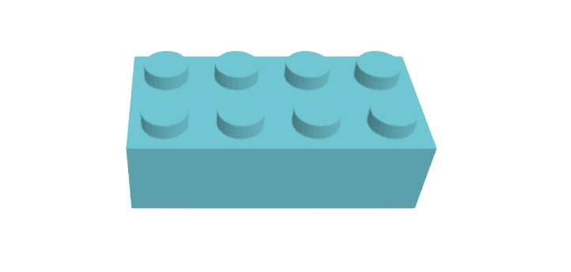 lightblue4x2 |  | 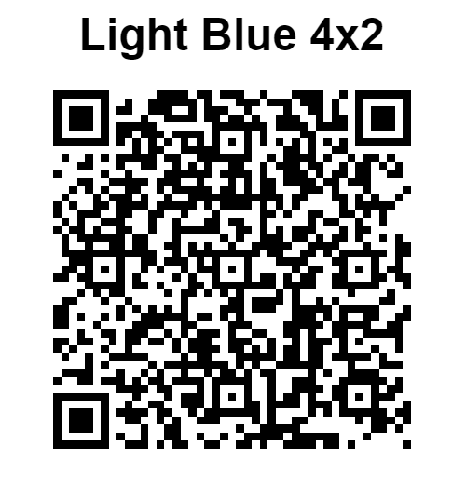
3437G | grey | 2 | 2 | grey2x2 | 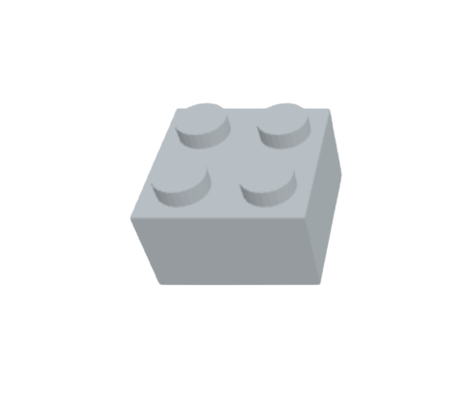 | 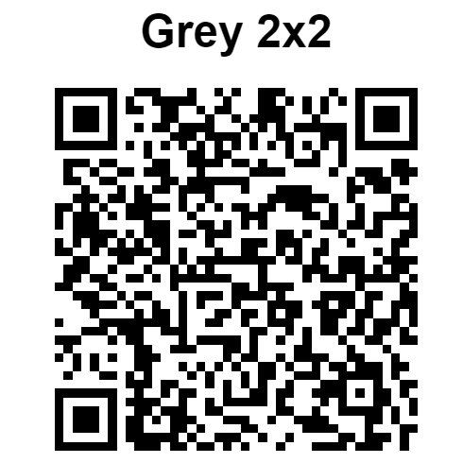
3437BR | brown | 2 | 2 | brown2x2 | 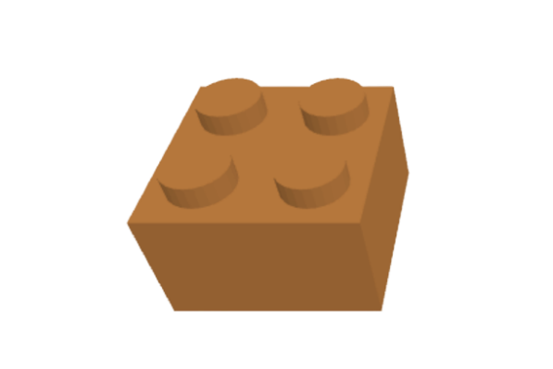 | 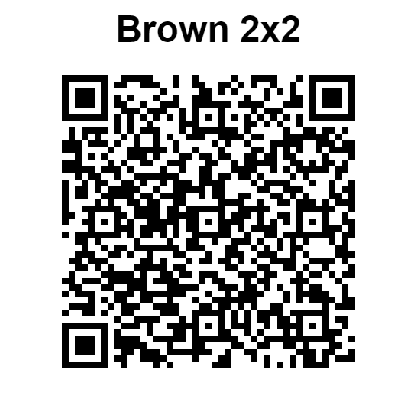
31110BR | brown | 2 | 2 | brown2x2x2 | 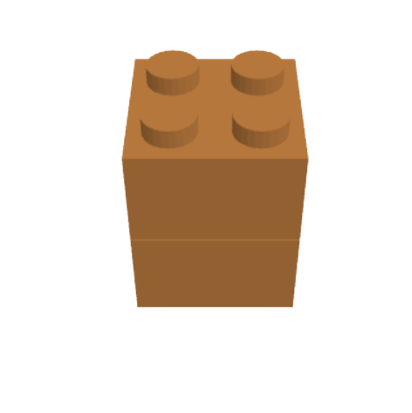 | 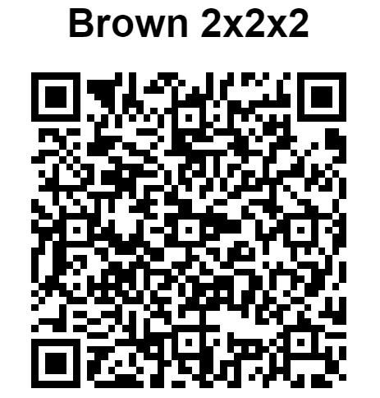
31110LB | lightblue | 2 | 2 | lightblue2x2x2 | 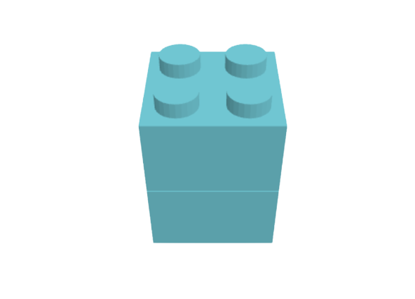 | 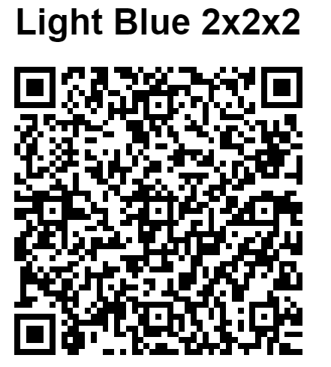
31110G | lightgreen | 2 | 2 | lightgreen2x2x2 |  | 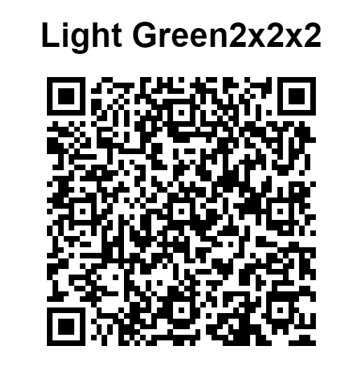
31110Y | yellow | 2 | 2 | yellow2x2x2 |  | 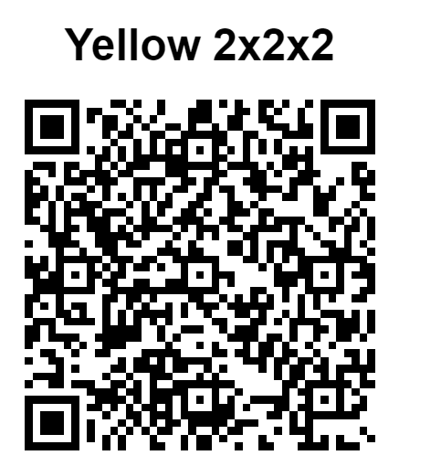
31110O | orange | 2 | 2 |  orange2x2x2 |  | 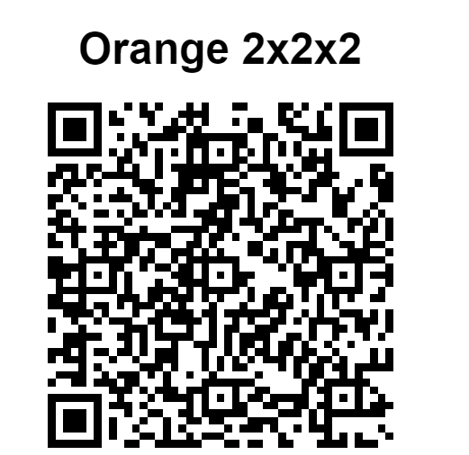
31110W | white | 2 | 2 | white2x2x2 | 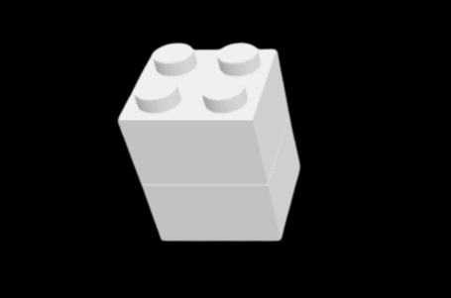 | 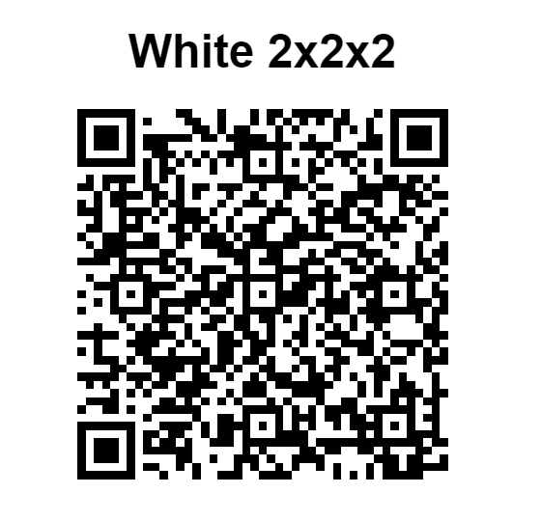
31110B | blue | 2 | 2 | blue2x2x2 |  | 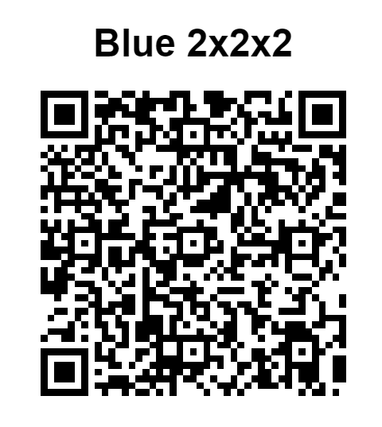
31110B | red | 2 | 2 | red2x2x2 | 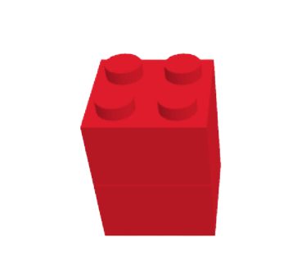 | 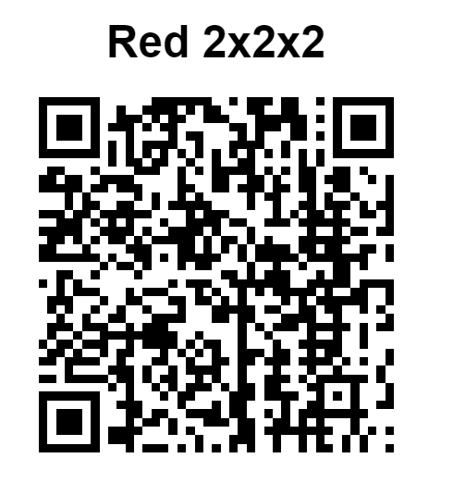
31110P | purple | 2 | 2 | purple2x2x2 | 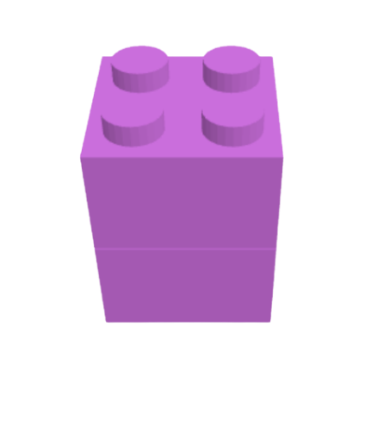 | 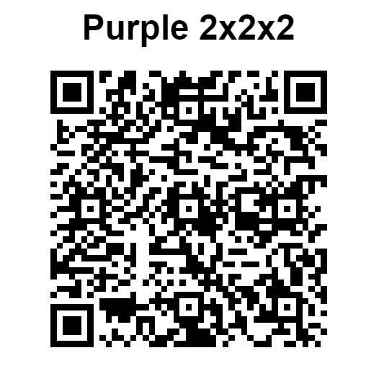

Assembly
Assembly Data

Identificador da Montagem (ID) | Peça 1 | Peça 2 | Peça 3 | Peça 4 | Nome | Montagem | QR Code
12345 | 3437B | 3437O | 76371R | 3011W | first | 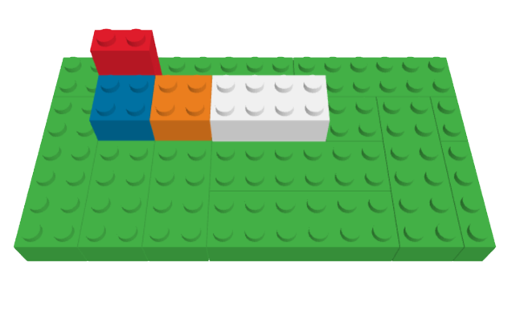 | 
23456 | 3011W | 3011Y | 3437O | 3437B | 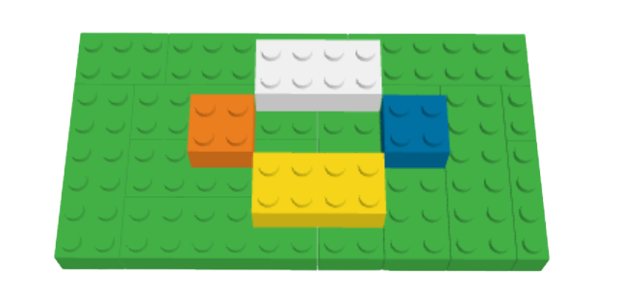 flower |  | 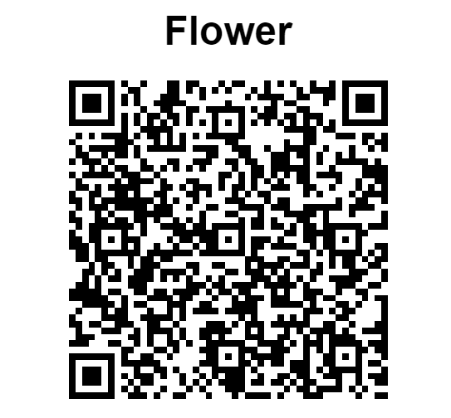
34567 | 76371R | 76371R | 3011Y | 3011W | strips | 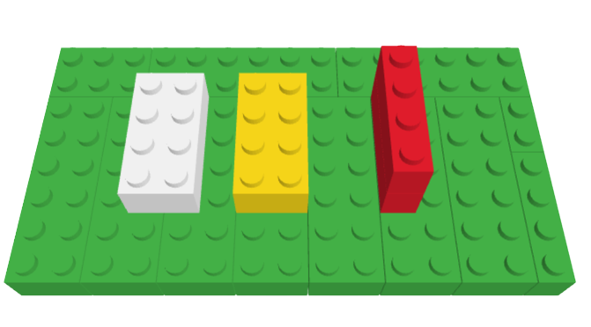 | 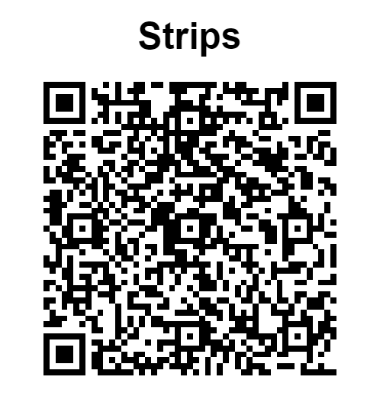

Instruction
Instruction Data

Assembly | Step 1 | Step 2 | Step 3 | Step 4
12345 | 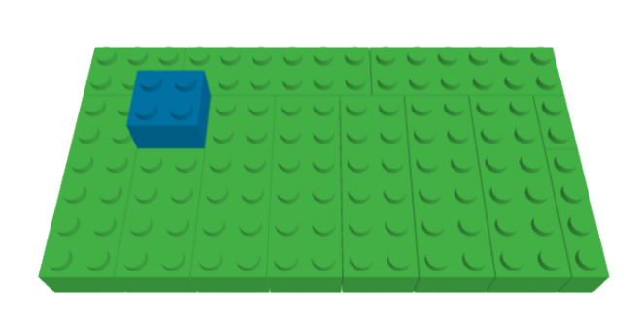 idPiece: 3437B idStep: a12345 color:blue coordinates: {x:2, y:2} | 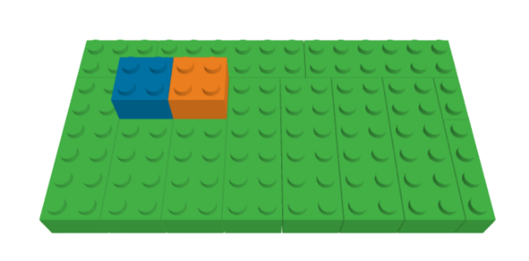 idPiece: 3437O idStep: b12345 color: orange coordinates: {x:4, y:2} | 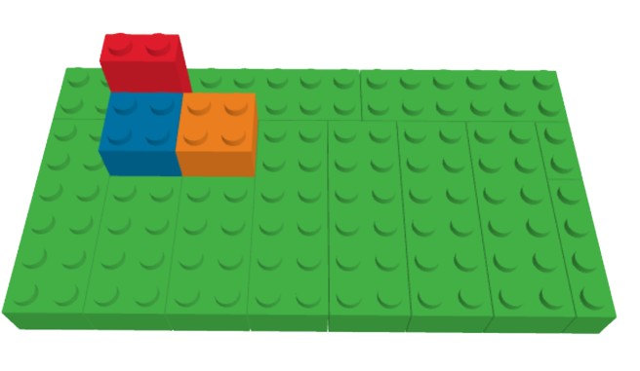 idPiece: 76371R idStep: c12345 color: red coordinates: {x:1, y:2} | idPiece: 3011W idStep: d12345 color: white coordinates: {x:6, y:2}
23456 | 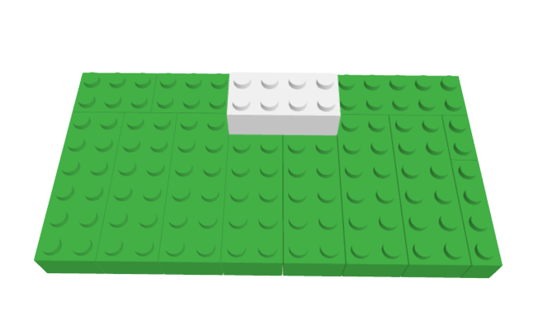 idPiece: 3011W idStep: a23456 color:white coordinates: {x:6, y:1} | 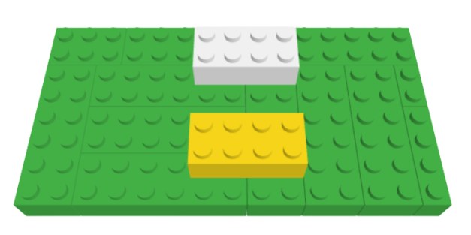 idPiece: 3011Y idStep: b23456 color: yellow coordinates: {x:6, y:5} | 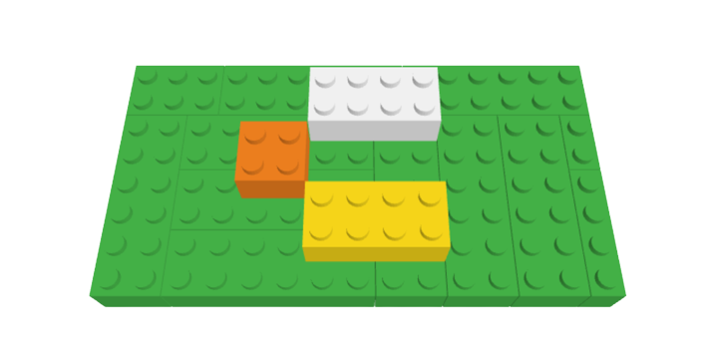 idPiece: 3437O idStep: c23456 color: orange coordinates: {x:4, y:3} | 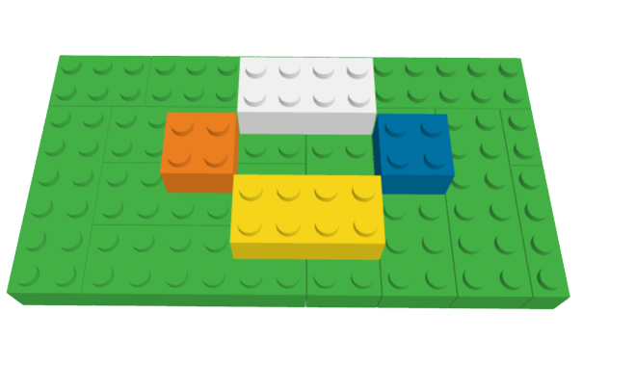 idPiece: 3437B idStep: d23456 color: blue coordinates: {x:10, y:3}
34567 | 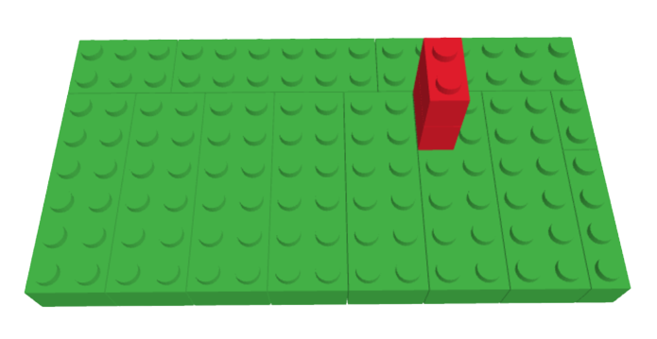 idPiece: 76371R idStep: a34567 color:red coordinates: {x:10, y:2} |  idPiece: 76371R idStep: b34567 color: red coordinates: {x:10, y:4} |  idPiece: 3011Y idStep: c34567 color: yellow coordinates: {x:6, y:2} |  idPiece: 3011W idStep: d34567 color: white coordinates: {x:6, y:2}

